1. Title Page
Project Name: Customer and Sales Analysis
Date: July 2023
Analyst Name: Pedro Paulo

Contents:
Population Flow
Consistency checks
Wrangling steps
Column derivations
Visualizations
Recommendations

Data Citation:
Customer data, as well as the "prices" data, were both fabricated for the purpose of this project.
“The Instacart Online Grocery Shopping Dataset 2017”, Accessed from www.instacart.com/datasets/grocery-shopping-2017 via Kaggle on [date].

2. Population Flow
 |  | Title page

Population flow

Exclusion flag
Condition: max_order < =10
Obervations to be removed: 1440295
Final total count of order_products_all: 1000000

 |  | For technical reasons, we did the analysis from 1000000 rows sampling using the percentage of 70% 30%.
Orders_products_combined
Orders_products_merged
orders_products_merged_Final.pkl

Total: 1000000
Total:
Total:
1000000 | 100000

1.) The grey boxes in the first row of the population flow represent the original data sets as they were when you downloaded them. In the Total fields you need to add the count of the rows when you imported the data set into Jupyter.
2.) The second row of boxes (coloured) represents the data sets after you manipulated them, e.g., removed missing values and duplicates. In the Total fields you need to add the count of the rows after conducting these operations. This offers a visual oveview of how the data flows throughout the data consistency checks.
3.) The third row, where also the arrows are coloured, represents the merges you performed between the datasets. In the Total fields you need to add the count of the rows in the merged datasets, so that you end up with the final dataset (in the red box). Keep in mind the final dataset should be without exclusions (based on the exclusion flag).

3. Consistency checks
 |  |  |  | Title page
Consistency checks

Dataset | Missing values | Missing values treatment | Duplicates
orders | 63100 missing values in 'days_since_prior_order' | I suppose there is a lot of missing data due to the fact that the column days_since_last_orders, represents the last order of the client and as many only placed one order, this data does not exist. So I think the best option is to keep it for future analysis, for example, if we need to understand why the clients made only one order. | No duplicated was found
products | product name' was found 16 missing values | was delete | 5 duplicate rows dropped
orders_products_prior | no missing values was found |  | No duplicated was found
customers | 11259 values was found in 'first_name' | that was replaced to 'not available'. Probably it was a data collection error. | No duplicated was found

4. Wrangling steps
 |  |  |  | Title page
Wrangling steps

Columns dropped | Columns renamed | Columns' type changed | Comment/Reason
df_ords.drop(columns = ['eval_set']) |  |  | Not needed for analysis
 |  | df_ords['user_id'] = df_ords['user_id'].astype('str') | String type saves cost
 | df_ords.rename(columns = {'order_dow' : 'order_day_of_week'}, inplace = True) |  | Clearer to interpret meaning
 | df_customer.rename(columns={'First Name':'first_name', 'Surnam':'last_name', 'Gender':'sex', 'STATE' :'state', 'Age':'age'}) |  | Clearer to interpret and matching the format of other column names
cus_ords_prods.drop(columns=['first_name', 'last_name']) |  |  | Drop first and last name due to privacy concerns

5. Column derivations
 |  |  |  |  | Title page

Column derivations and aggregations

In this tab you should add tables below that the frequences of flags/label variables that you produced after deriving them. NB: don't do this for continuous variables, only for flags.
Dataset | New column | Column/s it was derived from | Conditions | Frequency
ords_prods_merged | price_label | prices | price <= 5 : 'Low range product' | Low-range product 333878
 |  |  | price > 5 & <= 15 : 'Mid range product' | Mid-range product 666122
 |  |  | price > 15: 'High range product'
ords_prods_merged | busiest day | orders_day_of_week | 0 = 'Busiest day' | Busiest day 193495
 |  |  | 4 = 'Least busy' | Least busy 114431
 |  |  | else: 'Regularly busy' | Regularly busy 692074
ords_prods_merged | busiest_period_of_day | order_hour_of_day | value = [22,21,7,20,19,18,8,17] : 'Average Orders' | Fewest orders 37948
 |  |  | value = [ 10,11,14,15,13,12,16,9]: 'Most orders' | Most orders 650851
 |  |  | else: 'Fewest Orders' | Average orders 311201
ords_prods_merged | max_order | order_number | Dataframe grouped by 'user_id' and 'order_number' transformed into maximum of 'order_number'
ords_prods_merged | loyalty_flag | max_order | max_order > 40 : 'Loyal customer' | Loyal customer 345400
 |  |  | max_order <= 40 & > 10 : 'Regular customer', | Regular customer 475457
 |  |  | max_order < 10: 'New customer' | New customer 179143
ords_prods_merged | avg_price | prices | Dataframe grouped by 'user_id' and 'prices' transformed into mean of 'prices'
ords_prods_merged | spending_flag | avg_price | avg_price >= 10: 'High spender' | high spender 89581
 |  |  | avg_price < 10 : 'Low spender' | Low spender 910419
ords_prods_merged | median_order_freq | days_since_last_order | Dataframe grouped by 'user_id' and 'days_since_last_order' transformed into median of 'days_since_last_order'
ords_prods_merged | ord_frequency_flag | median_order_freq | >20: 'Non-frequent customer' | Non-frequent customer 101760
 |  |  | <= 20 & >10: 'Regular customer' | Regular customer 207343
 |  |  | <=10: 'Frequent customer' | Frequent customer 690897
ords_prods_final | age_flag | age | >65 'senior' | Senior 248170
 |  |  | <65 & >44 'middle age' | Middle Age 312921
 |  |  | <45 'young adult | Young Adult 438909
ords_prods_final | kids | number_of_dependants | 0 = 'no kids' | has kids 753083
 |  |  | >=1 'has kids' | no kids 246917
ords_prods_final | Income flag | income | >= 156,000 'high income' | moderate income 311065
 |  |  | >52,000 & <=155,999 'middle income' | low income 57224
 |  |  | <=52,000 'low income' | high income 631711
ords_prods_final | Region | States | Midwest | South 336951
 |  |  | West | West 253881
 |  |  | North East | Midwest 232353
 |  |  | South | Northeast 176815

6. Visualizations
 | Title page

Visualisations

Frequency of orders within days of the week and hours of the day

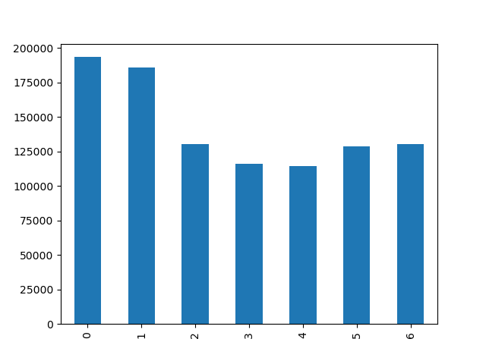
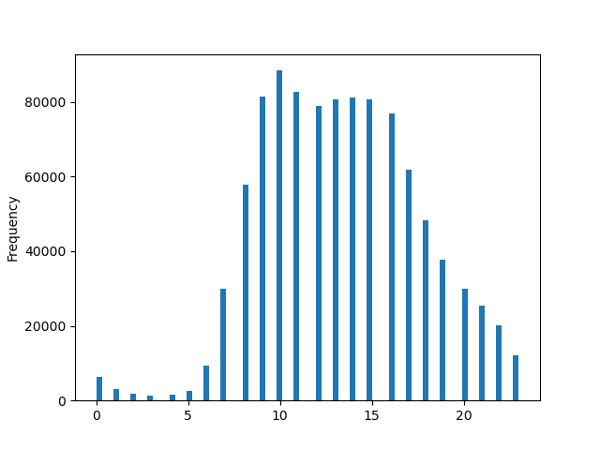

KEY
0 = Saturday
1 = Sunday
2 = Monday
3 = Tuesday
4 = Wednesday
5 = Thursday
6 = Friday

In visualization 1 we can see the frequency of orders in the days of the week, here we can conclude that Saturday and Sunday are the days with more frequency of orders.

In visualization 2 we can see the frequency of orders throughout the hours of the day, we conclude that the highest volume of orders occur between 8 am and 8 pm.

Histogram and scatterplot with price analysis

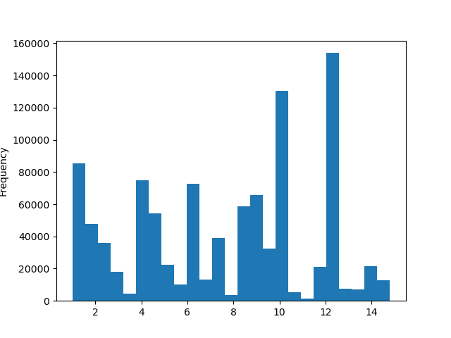
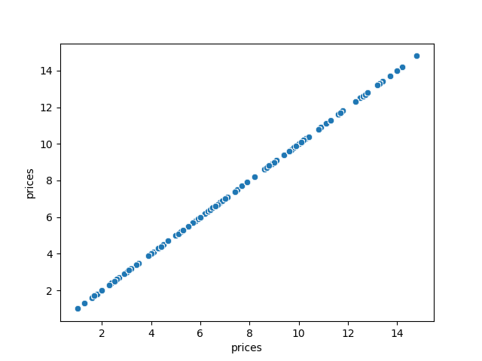

Through the histogram and the scartterplot we can conclude that 12$ is the most frequent value among Instacart orders and there is a progression from 2$ to 14$.

Most popular departments

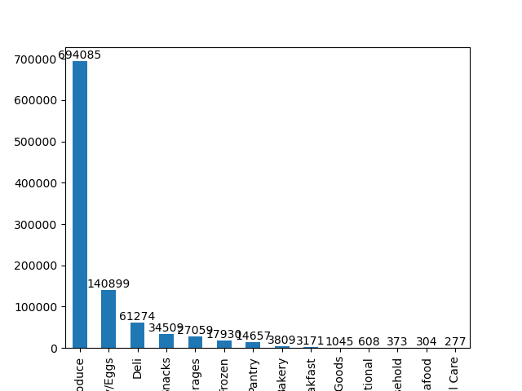
KEY
1 = Frozen
2 = Other
3 = Bakery
4 = Produce
5 = Alcohol
6 = International
7= Beverages
8 = Pets
9 = Dry goods pasta
10 = Bulk
11 = Personal Care
12 = Meat/Seafood
13= Pantry
14 = Breakfast
15 = Canned Goods
16 = Dairy/Eggs
17 = Household
18 = Babies
19 = Snacks
20 = Deli
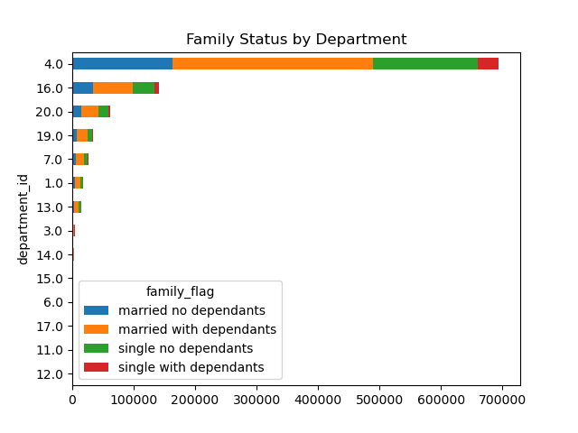

When evaluating Instacart's most popular departments, we concluded that produce, dairy/eggs and deli are the leaders in orders.

Produce also continues to lead among Instacart's most frequent users (Married with dependents).

Analysis of customers and frequency of orders

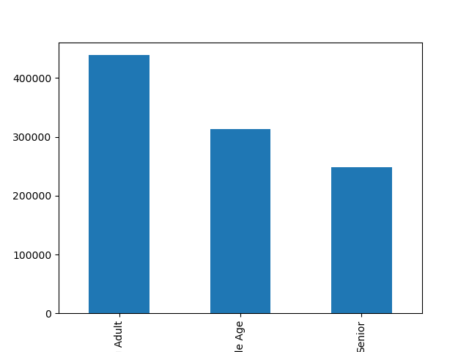
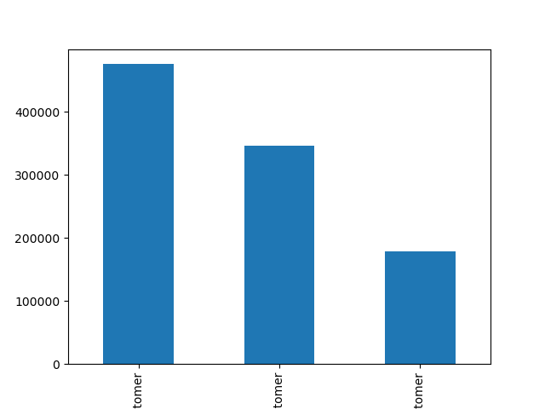

In visualization 1 the frequency of customers we can identify that regular customers who make between 10 and 40 orders are the highest values and then Loyal customers above 40 and new customers below 10 orders.

In visualization 2 we can conclude that the most popular age groups is young adult, followed by middle age and senior.

Analyzing income and age groups by region

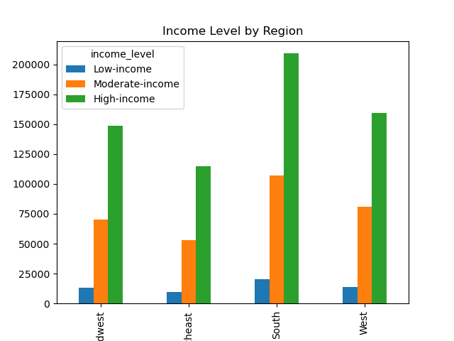
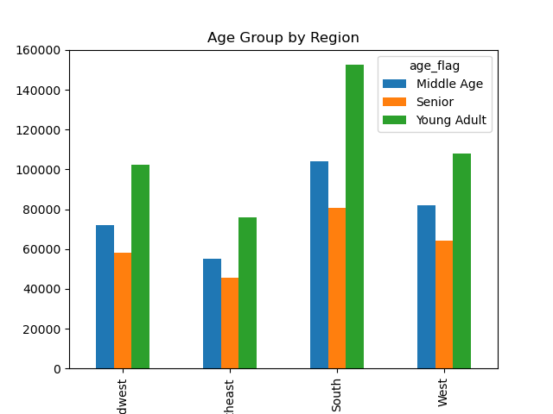

In the first visualization we see that the leading customers in the 4 US regions have high incomes and south and west have the highest order activity .

In the second visualization we see once again that young adult is the most frequent client profile among the US regions

Analysis on family status of clients and dependents

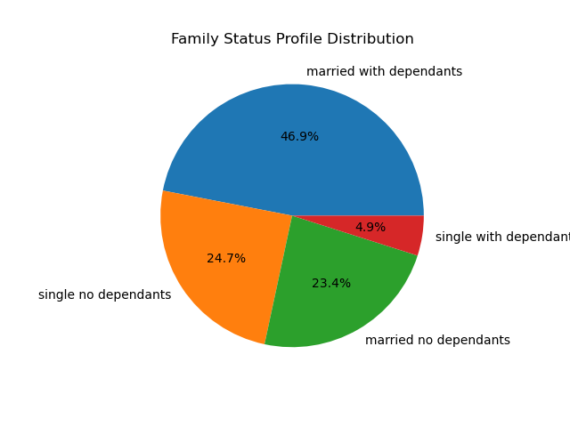

In the graph we can see that more than 70% of Instacart's customer base are married and singles follow approximately 30%

We also see in the graph that 51.8% of Instacart's customer base have dependents.

7. Recommendations
 | Title page

Recommendations

In this tab you should include any recommendations you would made to Instcart in terms of their marketing strategy based on the questions posed in the brief. Every key question has been covered in the Tasks of the Exercises - here you need to add an item - a visualisation or table/crosstable that is showing the answer in the data, acompanied by a comment from you. Please, list the questions below and add the answer underneath.

Question
What are the days and periods of the days with the highest order activity?
Answer
As we saw in the visualizations (Frequency of orders within days of the week and hours of the day ) related to the theme, Saturday and Sunday are the days with the highest activities, we also saw that from 8 am to 8 pm are the periods with the most activities, having a peak between 10 am and 3 pm.
Recomendations
I believe it would be interesting to explore the periods of the day with less activity, in this case, during the early hours, you could design promotions to improve sales, the same goes for the days of the week with fewer requests, especially from Monday to Wednesday.
Question
What are the average prices of products sold by Instacart?
Answer
As we saw in the visualizations (Histogram and scatter plot with price analysis) we saw that the values of the most sold products are 12$ and 10$ and the largest range of most practiced prices are from 2 to 14$.
Recomendations
A good option would be to invest in stimulating sales of producers with higher added value, and thus increase the profit margin with premium products, because as we have seen, most of the customer base have high annual income.
Question
Which departments have the highest sales volume?
Answer
As seen in the visualization (Most popular departments) Produce, Dairy/eggs and Deli are the categories with the highest numbers of products sold.
Recomendations
We have seen in the visualization almost 70% of sales are concentrated in products of the Produce segment and only 30% in the other 19 departments. I believe that a better distribution could bring more financial security to the company by diversification.
Question
How often do customers place their orders?
Answer
We have seen in the visualizations (Analysis of customers and frequency of orders) that the group of regular customers who place between 10 and 40 orders is the highest volume group, followed by loyal customers who place more than 40 orders and new customers who place up to 10 orders.
Recomendations
In this case the recommendation would be to work on the group of loyal customers so that this number begins to lead the customer base, because with a larger base of customers who make more 40 orders would result in a better performance, this could be done with loyalty programs and promotions for this group of customers.
Question
What is the salary income, age range and how are the clients distributed across the USA?
Answer
When we look at Instacart's customer profile shown in the visualization (Analyzing income and age groups by region), we conclude that they are mostly young adults with high income salaries with a higher concentration in the south and west of the US.
Recomendations
Looking at this scenario, I try to follow the law of opportunity, that is, the audience that can still be explored, to understand the reason why elderly people do not join Instacart, would it be technical difficulty? Or communication is not directed to this audience? The elderly population grows in the US every year, it is a point to be observed
Question
What is the family profile of the Instacart customer?
Answer
According to the visualization we conclude that the majority of clients are married with dependents with 46.9%, another important data, 70.3% are married and 29.6% are single.
Recomendations
Through the analyzes made we were able to arrive at a refined customer profile, it shows that 70% of the customer base are of similar profiles, which would facilitate the cost of campaign to maintain this base, but very important, work and understand why instacart is not so popular among singles and people with low incomes. Would it be the prices practiced by the company?

